User Guide
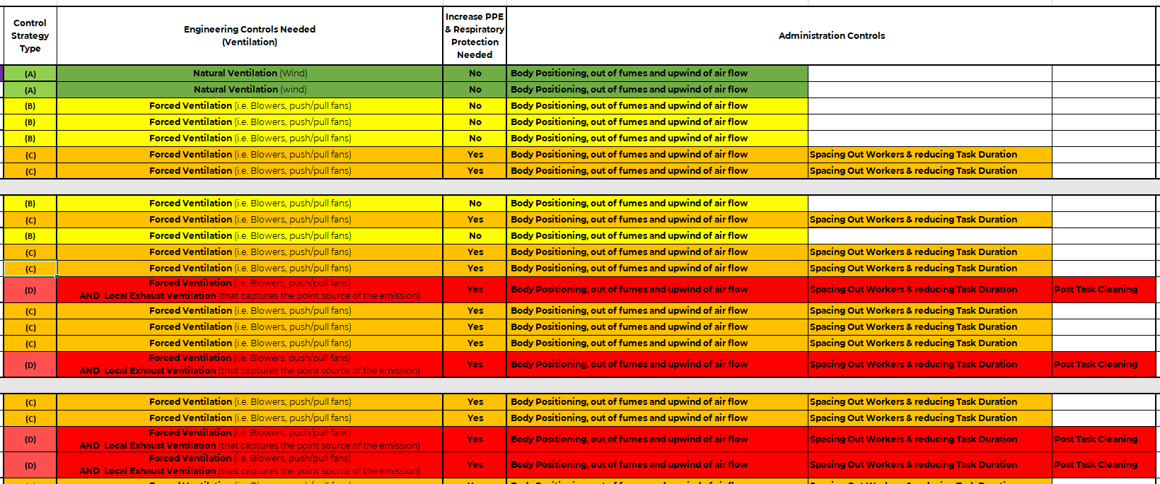
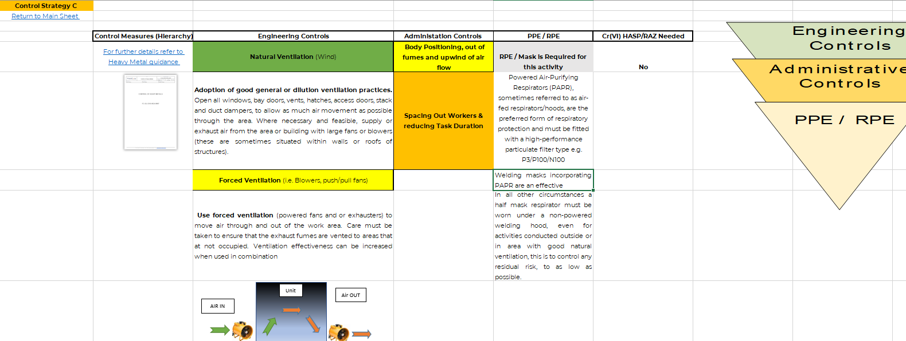
User Help Reference Guide

Step 1
Click in Cr(VI) Determination Sheet

Step 2
Determine Work Area: Open Air / External or Semi-Enclosed or Enclosed

Step 3
i) Determine Level of Chromium Cr(III): Low, Medium or High ii) Further information on types of Alloy, Chromium content by clicking
Note: To return to Main Sheet click button in top right corner
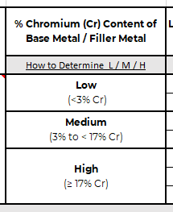
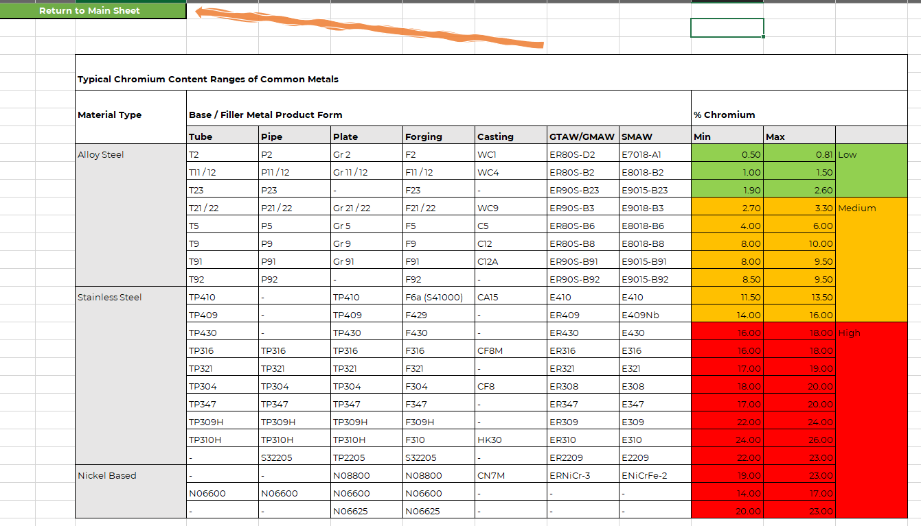

Step 4
i) Select Level of Fumes Produced by the Process: Low or High ii) Further information on Determining Low or High
Note: To return to Main Sheet click button in top right corner
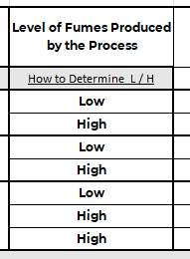


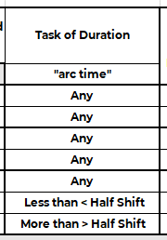
Step 5
i) Determine: Task Duration "arc time" [Any for Scenario 1-5] or Less than < Half Shift or More than > Half Shift

Step 6
Determine: Hot Work Scenario Number # Example for #1

Example for #25
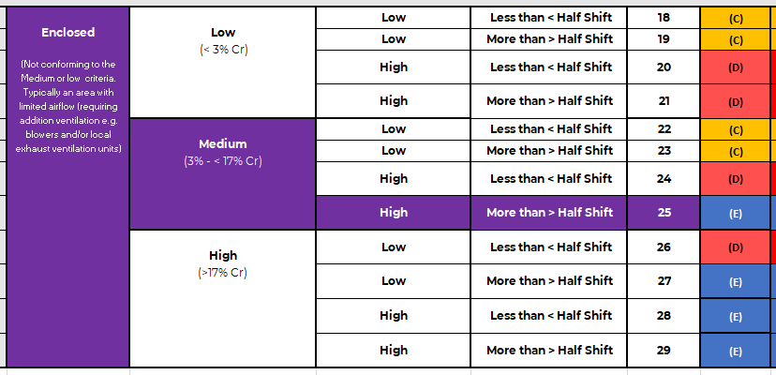

Step 7
i) Determine: Control Strategy Type: A, B C, D & E (Engineering, PPE & RPE & Admin Controls ii) Further information controls needed my clicking on Scenario Letter

Cr(VI) Exposure Determination
Hexavalent Chromium Control Strategy Determination Sheet

Scenario # | Work area | % Chromium (Cr) Content of Base Metal / Filler Metal | Level of Fumes Produced by the Process | Task of Duration | Hot Work Scenario Number | Control Strategy Type | Engineering Controls Needed (Ventilation) | Increase PPE & Respiratory Protection Needed | Administration Controls |  |  | Cr(VI) HASP/RAZ Needed

 |  | How to Determine L / M / H | How to Determine L / H | "arc time"
1 | Open Air / External (Includes only open-air welding / hot work without any barriers (i.e. no fire blanket or other such materials that may block airflow) | Low (<3% Cr) | Low | Any | 1 | (A) | Natural Ventilation (Wind) | No | Body Positioning, out of fumes and upwind of air flow |  |  | No
2 |  |  | High | Any | 2 | (A) | Natural Ventilation (wind) | No | Body Positioning, out of fumes and upwind of air flow |  |  | No
3 |  | Medium (3% to < 17% Cr) | Low | Any | 3 | (B) | Forced Ventilation (i.e. Blowers, push/pull fans) | No | Body Positioning, out of fumes and upwind of air flow |  |  | No
4 |  |  | High | Any | 4 | (B) | Forced Ventilation (i.e. Blowers, push/pull fans) | No | Body Positioning, out of fumes and upwind of air flow |  |  | No
5 |  | High (≥ 17% Cr) | Low | Any | 5 | (B) | Forced Ventilation (i.e. Blowers, push/pull fans) | No | Body Positioning, out of fumes and upwind of air flow |  |  | No
6 |  |  | High | Less than < Half Shift | 6 | (C) | Forced Ventilation (i.e. Blowers, push/pull fans) | Yes | Body Positioning, out of fumes and upwind of air flow | Spacing Out Workers & reducing Task Duration |  | No
7 |  |  | High | More than > Half Shift | 7 | (C) | Forced Ventilation (i.e. Blowers, push/pull fans) | Yes | Body Positioning, out of fumes and upwind of air flow | Spacing Out Workers & reducing Task Duration |  | No

8 | Semi-enclosed (Includes Welding Bays, Spark Enclosures and Indoor Shops without local exhaust ventilation but with natural ventilation) | Low (<3% Cr) | Low | Any | 8 | (B) | Forced Ventilation (i.e. Blowers, push/pull fans) | No | Body Positioning, out of fumes and upwind of air flow |  |  | No
9 |  |  | High | Any | 9 | (C) | Forced Ventilation (i.e. Blowers, push/pull fans) | Yes | Body Positioning, out of fumes and upwind of air flow | Spacing Out Workers & reducing Task Duration |  | No
10 |  | Medium (3% to < 17% Cr) | Low | Less than < Half Shift | 10 | (B) | Forced Ventilation (i.e. Blowers, push/pull fans) | No | Body Positioning, out of fumes and upwind of air flow |  |  | No
11 |  |  | Low | More than > Half Shift | 11 | (C) | Forced Ventilation (i.e. Blowers, push/pull fans) | Yes | Body Positioning, out of fumes and upwind of air flow | Spacing Out Workers & reducing Task Duration |  | No
12 |  |  | High | Less than < Half Shift | 12 | (C) | Forced Ventilation (i.e. Blowers, push/pull fans) | Yes | Body Positioning, out of fumes and upwind of air flow | Spacing Out Workers & reducing Task Duration |  | No
13 |  |  | High | More than > Half Shift | 13 | (D) | Forced Ventilation (i.e. Blowers, push/pull fans) AND Local Exhaust Ventilation (that captures the point source of the emission) | Yes | Body Positioning, out of fumes and upwind of air flow | Spacing Out Workers & reducing Task Duration | Post Task Cleaning | No
14 |  | High (≥ 17% Cr) | Low | Less than < Half Shift | 14 | (C) | Forced Ventilation (i.e. Blowers, push/pull fans) | Yes | Body Positioning, out of fumes and upwind of air flow | Spacing Out Workers & reducing Task Duration |  | No
15 |  |  | Low | More than > Half Shift | 15 | (C) | Forced Ventilation (i.e. Blowers, push/pull fans) | Yes | Body Positioning, out of fumes and upwind of air flow | Spacing Out Workers & reducing Task Duration |  | No
16 |  |  | High | Less than < Half Shift | 16 | (C) | Forced Ventilation (i.e. Blowers, push/pull fans) | Yes | Body Positioning, out of fumes and upwind of air flow | Spacing Out Workers & reducing Task Duration |  | No
17 |  |  | High | More than > Half Shift | 17 | (D) | Forced Ventilation (i.e. Blowers, push/pull fans) AND Local Exhaust Ventilation (that captures the point source of the emission) | Yes | Body Positioning, out of fumes and upwind of air flow | Spacing Out Workers & reducing Task Duration | Post Task Cleaning | No

18 | Enclosed (Not conforming to the Medium or low criteria. Typically an area with limited airflow (requiring addition ventilation e.g. blowers and/or local exhaust ventilation units) | Low (< 3% Cr) | Low | Less than < Half Shift | 18 | (C) | Forced Ventilation (i.e. Blowers, push/pull fans) | Yes | Body Positioning, out of fumes and upwind of air flow | Spacing Out Workers & reducing Task Duration |  | No
19 |  |  | Low | More than > Half Shift | 19 | (C) | Forced Ventilation (i.e. Blowers, push/pull fans) | Yes | Body Positioning, out of fumes and upwind of air flow | Spacing Out Workers & reducing Task Duration |  | No
20 |  |  | High | Less than < Half Shift | 20 | (D) | Forced Ventilation (i.e. Blowers, push/pull fans) AND Local Exhaust Ventilation (that captures the point source of the emission) | Yes | Body Positioning, out of fumes and upwind of air flow | Spacing Out Workers & reducing Task Duration | Post Task Cleaning | No
21 |  |  | High | More than > Half Shift | 21 | (D) | Forced Ventilation (i.e. Blowers, push/pull fans) AND Local Exhaust Ventilation (that captures the point source of the emission) | Yes | Body Positioning, out of fumes and upwind of air flow | Spacing Out Workers & reducing Task Duration | Post Task Cleaning | No
22 |  | Medium (3% - < 17% Cr) | Low | Less than < Half Shift | 22 | (C) | Forced Ventilation (i.e. Blowers, push/pull fans) | Yes | Body Positioning, out of fumes and upwind of air flow | Spacing Out Workers & reducing Task Duration |  | No
23 |  |  | Low | More than > Half Shift | 23 | (C) | Forced Ventilation (i.e. Blowers, push/pull fans) | Yes | Body Positioning, out of fumes and upwind of air flow | Spacing Out Workers & reducing Task Duration |  | No
24 |  |  | High | Less than < Half Shift | 24 | (D) | Forced Ventilation (i.e. Blowers, push/pull fans) AND Local Exhaust Ventilation (that captures the point source of the emission) | Yes | Body Positioning, out of fumes and upwind of air flow | Spacing Out Workers & reducing Task Duration | Post Task Cleaning | No
25 |  |  | High | More than > Half Shift | 25 | (E) | Forced Ventilation (i.e. Blowers, push/pull fans) AND Local Exhaust Ventilation (that captures the point source of the emission) | Yes | Body Positioning, out of fumes and upwind of air flow | Spacing Out Workers & reducing Task Duration | Post Task Cleaning | Yes
26 |  | High (>17% Cr) | Low | Less than < Half Shift | 26 | (D) | Forced Ventilation (i.e. Blowers, push/pull fans) AND Local Exhaust Ventilation (that captures the point source of the emission) | Yes | Body Positioning, out of fumes and upwind of air flow | Spacing Out Workers & reducing Task Duration | Post Task Cleaning | No
27 |  |  | Low | More than > Half Shift | 27 | (E) | Forced Ventilation (i.e. Blowers, push/pull fans) AND Local Exhaust Ventilation (that captures the point source of the emission) | Yes | Body Positioning, out of fumes and upwind of air flow | Spacing Out Workers & reducing Task Duration | Post Task Cleaning | Yes
28 |  |  | High | Less than < Half Shift | 28 | (E) | Forced Ventilation (i.e. Blowers, push/pull fans) AND Local Exhaust Ventilation (that captures the point source of the emission) | Yes | Body Positioning, out of fumes and upwind of air flow | Spacing Out Workers & reducing Task Duration | Post Task Cleaning | Yes
29 |  |  | High | More than > Half Shift | 29 | (E) | Forced Ventilation (i.e. Blowers, push/pull fans) AND Local Exhaust Ventilation (that captures the point source of the emission) | Yes | Body Positioning, out of fumes and upwind of air flow | Spacing Out Workers & reducing Task Duration | Post Task Cleaning | Yes

 |  |  | Level of Fumes Produced by the Process*1
 |  |  | Low |  |  |  |  |  | Notes
 |  |  | TIG |  |  |  |  |  | Reducing task duration decreases the amount of exposure
 |  |  | Hard wire MIG |  |  |  |  |  | Spacing out welders decreases the concentration of fume production
 |  |  | Resistance welding |  |  |  |  |  | Define ventilation types and how to set them up
 |  |  | Laser cutting
 |  |  | High
 |  |  | Plasma cutting
 |  |  | Brazing
 |  |  | Arc Erosion
 |  |  | MIG
 |  |  | Flame cutting
 |  |  | MAG
 |  |  | MMA
 |  |  | Flux core
 |  |  | Arc gouging
 |  |  | SMAW welding
 |  |  | FCAW welding
 |  |  | Torch Cutting

CST (A)
Control Strategy A
Return to Main Sheet

 | Control Measures (Hierarchy) | Engineering Controls | Administration Controls | PPE / RPE | Cr(VI) HASP/RAZ Needed
 | For further details refer to Heavy Metal guidance | Natural Ventilation (Wind) | Body Positioning, out of fumes and upwind of air flow | RPE / Mask is NOT required for this activity* | No
 | 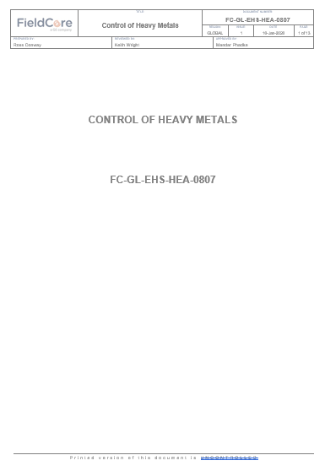 | Adoption of good general or dilution ventilation practices. Open all windows, bay doors, vents, hatches, access doors, stack and duct dampers, to allow as much air movement as possible through the area. Where necessary and feasible, supply or exhaust air from the area or building with large fans or blowers (these are sometimes situated within walls or roofs of structures). |  | *In some Region and workers from that region e.g. UK etc RPE (FFP3) must be worn for all Welding Work including in open air environments refer to you local EHS Team.

 |  |  |  |  |  | Control Measures (Hierarchy)
 |  |  |  |  |  | Exposure the Cr(VI) metals must be eliminated, whenever reasonably feasible. If this is not possible, control measures must be implemented to mitigate the risk:
 |  |  |  |  |  | Preference must be given to engineered or technical control measures e.g. Local Exhaust Ventilation (LEV), distance from the heavy metal source, worker rotation.
 |  |  |  |  |  | PPE and RPE/Masks may be options to protect the workers, however, this must a last resort, either to mitigate residual risk, when all other robust controls measure have been implemented.

CST (B)
Control Strategy B
Return to Main Sheet

 | Control Measures (Hierarchy) | Engineering Controls | Administration Controls | PPE / RPE | Cr(VI) HASP/RAZ Needed
 | For further details refer to Heavy Metal guidance | Natural Ventilation (Wind) | Body Positioning, out of fumes and upwind of air flow | RPE / Mask is NOT required for this activity* | No
 |  | Adoption of good general or dilution ventilation practices. Open all windows, bay doors, vents, hatches, access doors, stack and duct dampers, to allow as much air movement as possible through the area. Where necessary and feasible, supply or exhaust air from the area or building with large fans or blowers (these are sometimes situated within walls or roofs of structures). |  | In some Region and workers from that region e.g. UK etc RPE (FFP3) must be worn for all Welding Work including in open air environments
 |  | Forced Ventilation (i.e. Blowers, push/pull fans)
 |  | Use forced ventilation (powered fans and or exhausters) to move air through and out of the work area. Care must be taken to ensure that the exhaust fumes are vented to areas that at not occupied. Ventilation effectiveness can be increased when used in combination
AIR IN
Unit
Air OUT
 |  |  |  |  |  | Control Measures (Hierarchy)
 |  |  |  |  |  | Exposure the Cr(VI) metals must be eliminated, whenever reasonably feasible. If this is not possible, control measures must be implemented to mitigate the risk:
 |  |  |  |  |  | Preference must be given to engineered or technical control measures e.g. Local Exhaust Ventilation (LEV), distance from the heavy metal source, worker rotation.
 |  |  |  |  |  | PPE and RPE/Masks may be options to protect the workers, however, this must a last resort, either to mitigate residual risk, when all other robust controls measure have been implemented.

Fan Blower

Fan extractor

CST (C)
Control Strategy C
Return to Main Sheet

 | Control Measures (Hierarchy) | Engineering Controls | Administration Controls | PPE / RPE | Cr(VI) HASP/RAZ Needed
 | For further details refer to Heavy Metal guidance | Natural Ventilation (Wind) | Body Positioning, out of fumes and upwind of air flow | RPE / Mask is Required for this activity | No
 |  | Adoption of good general or dilution ventilation practices. Open all windows, bay doors, vents, hatches, access doors, stack and duct dampers, to allow as much air movement as possible through the area. Where necessary and feasible, supply or exhaust air from the area or building with large fans or blowers (these are sometimes situated within walls or roofs of structures). | Spacing Out Workers & reducing Task Duration | Powered Air-Purifying Respirators (PAPR), sometimes referred to as air-fed respirators/hoods, are the preferred form of respiratory protection and must be fitted with a high-performance particulate filter type e.g. P3/P100/N100
 |  | Forced Ventilation (i.e. Blowers, push/pull fans) |  | Welding masks incorporating PAPR are an effective alternative, and best practice for welding activities.
 |  | Use forced ventilation (powered fans and or exhausters) to move air through and out of the work area. Care must be taken to ensure that the exhaust fumes are vented to areas that at not occupied. Ventilation effectiveness can be increased when used in combination |  | In all other circumstances a half mask respirator must be worn under a non-powered welding hood, even for activities conducted outside or in area with good natural ventilation, this is to control any residual risk, to as low as possible.
AIR IN
Unit
Air OUT

Fan Blower

Fan extractor

CST (D)
Control Strategy D
Return to Main Sheet

 | Control Measures (Hierarchy) | Engineering Controls | Administration Controls | PPE / RPE | Cr(VI) HASP/RAZ Needed
 | For further details refer to Heavy Metal guidance | Natural Ventilation (Wind) | Body Positioning, out of fumes and upwind of air flow | RPE / Mask is Required for this activity | No
 |  | Adoption of good general or dilution ventilation practices. Open all windows, bay doors, vents, hatches, access doors, stack and duct dampers, to allow as much air movement as possible through the area. Where necessary and feasible, supply or exhaust air from the area or building with large fans or blowers (these are sometimes situated within walls or roofs of structures). | Spacing Out Workers & reducing Task Duration | Powered Air-Purifying Respirators (PAPR), sometimes referred to as air-fed respirators/hoods, are the preferred form of respiratory protection and must be fitted with a high-performance particulate filter type e.g. P3/P100/N100
 |  | Forced Ventilation (i.e. Blowers, push/pull fans) | Post Task Cleaning | Welding masks incorporating PAPR are an effective alternative, and best practice for welding activities.
 |  | Use forced ventilation (powered fans and or exhausters) to move air through and out of the work area. Care must be taken to ensure that the exhaust fumes are vented to areas that at not occupied. Ventilation effectiveness can be increased when used in combination | The following housekeeping activities are required to ensure that surfaces are truly heavy metal contamination free: | In all other circumstances a half mask respirator must be worn under a non-powered welding hood, even for activities conducted outside or in area with good natural ventilation, this is to control any residual risk, to as low as possible.
AIR IN
Unit/Area
Air OUT
 |  |  | Vacuuming with a HEPA/“H” Type vacuum: Standard vacuums typically allow fine dust into the air by allowing it to pass through normal bags and filters. HEPA (High Efficiency Particulate Air) vacuums are special vacuums with high efficiency filters on the exhaust air stream, a filter capable of removing 99.97% of particles down to 0.3 microns.
 |  | Forced Ventilation (i.e. Blowers, push/pull fans) AND Local Exhaust Ventilation (that captures the point source of the emission) | All visible particulate with potential to have heavy metal generating dust on surfaces should be removed, including on tools e.g. pedestal grinders and machinery or parts etc
'In Situ' HEPA Air Filtration " Smoke Eater"
 |  | 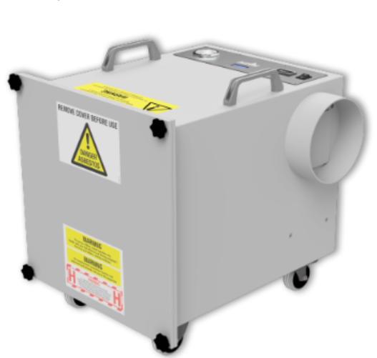
Mobile Local Exhaust Ventilation in 'Capture Zone' of welding activities
 |  | Use LEV/smoke Eaters with extraction hoods. Most tasks undertaken will require, if practical; portable LEV temporarily placed in the area where work is being conducted and removed afterwards. Failure to maintain the extraction near the generation point greatly reduces the efficiency: •Extraction hoods must be positioned as close to the fume source as possible •The hoods of mobile LEV units must be moved frequently to ensure that fumes are captured

CST (E)
Control Strategy E
Return to Main Sheet

 | Control Measures (Hierarchy) | Engineering Controls | Administration Controls | PPE / RPE | Cr(VI) HASP/RAZ Needed
 | For further details refer to Heavy Metal guidance | Natural Ventilation (Wind) | Body Positioning, out of fumes and upwind of air flow | RPE / Mask is Required for this activity | Yes
 |  | Adoption of good general or dilution ventilation practices. Open all windows, bay doors, vents, hatches, access doors, stack and duct dampers, to allow as much air movement as possible through the area. Where necessary and feasible, supply or exhaust air from the area or building with large fans or blowers (these are sometimes situated within walls or roofs of structures). | Spacing Out Workers & reducing Task Duration | Powered Air-Purifying Respirators (PAPR), sometimes referred to as air-fed respirators/hoods, are the preferred form of respiratory protection and must be fitted with a high-performance particulate filter type e.g. P3/P100/N100
 |  | Forced Ventilation (i.e. Blowers, push/pull fans) | Post Task Cleaning | Welding masks incorporating PAPR are an effective alternative, and best practice for welding activities. | ^^^ HASP ^^^
 |  | Use forced ventilation (powered fans and or exhausters) to move air through and out of the work area. Care must be taken to ensure that the exhaust fumes are vented to areas that at not occupied. Ventilation effectiveness can be increased when used in combination | The following housekeeping activities are required to ensure that surfaces are truly heavy metal contamination free: | In all other circumstances a half mask respirator must be worn under a non-powered welding hood, even for activities conducted outside or in area with good natural ventilation, this is to control any residual risk, to as low as possible.
AIR IN
Unit/Area
Air OUT
 |  |  | Vacuuming with a HEPA/“H” Type vacuum: Standard vacuums typically allow fine dust into the air by allowing it to pass through normal bags and filters. HEPA (High Efficiency Particulate Air) vacuums are special vacuums with high efficiency filters on the exhaust air stream, a filter capable of removing 99.97% of particles down to 0.3 microns.
 |  | Forced Ventilation (i.e. Blowers, push/pull fans) AND Local Exhaust Ventilation (that captures the point source of the emission) | All visible particulate with potential to have heavy metal generating dust on surfaces should be removed, including on tools e.g. pedestal grinders and machinery or parts etc
'In Situ' HEPA Air Filtration " Smoke Eater"
Mobile Local Exhaust Ventilation in 'Capture Zone' of welding activities
 |  | Use LEV/smoke Eaters with extraction hoods. Most tasks undertaken will require, if practical; portable LEV temporarily placed in the area where work is being conducted and removed afterwards. Failure to maintain the extraction near the generation point greatly reduces the efficiency: •Extraction hoods must be positioned as close to the fume source as possible •The hoods of mobile LEV units must be moved frequently to ensure that fumes are captured

Fume L or H
Return to Main Sheet

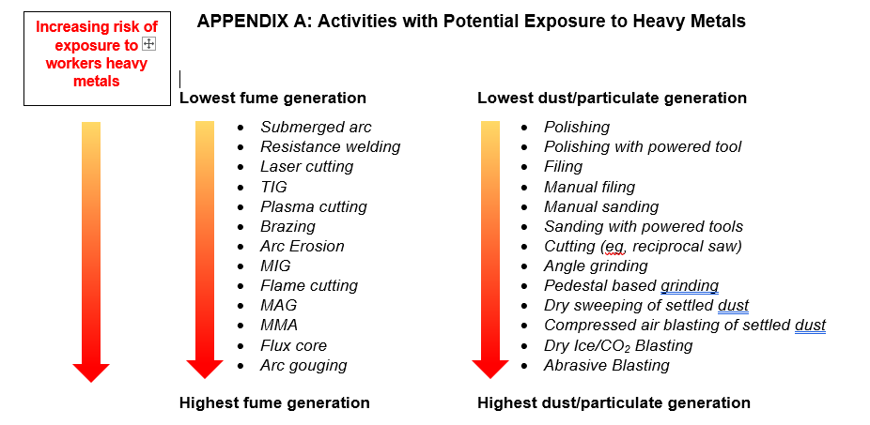
Hot Work Method Select only ONE below
Fume* Level Low (*includes particulate) |  |  | Fume* Level High (*includes particulate)
Common Name | Abbreviation |  | Common | Acronym/aka
Grinding |  | Grinding |  |  | Arc Erosion
 |  | Submerged Arc |  |  | Arc Gouging
TIG | TIG | Tungsten Iner Gas | Brazing |  | Brazing
 |  |  | Stick | MMA, MMAW, SMAW | Manual Metal Arc (Welding) aka Stick Welding, Shield Metal Arc Welding
 |  |  |  | MAG | Metal Active Gas
 |  |  |  | MIG | MIG Welding,
 |  |  | Cutting, Oxy-Acetylene | PC, PAC, CAC-A | Plasma (Arc) Cutting (Air Arc or Arc Gouging, Carbon Arc Cutting
 |  |  |  |  | Torch Cutting, aka Flame Cutting, Cutting Torch, Lance Cutting, Oxy-Fuel Cutting

